1. Title Page
Instacart Grocery Basket Analysis

Project Name: Instacart Grocery Basket Analysis
Date: 10/2/2023
Analyst Name: Ryan Weber

Contents:
Population Flow
Consistency checks
Wrangling steps
Column derivations
Visualizations
Recommendations

2. Population Flow
Title page

Population flow

Exclusion flag
Condition: max_order < 5
Obervations to be removed: 1,440,295
Final total count of order_products_all: 32,404,859 X 35

Orders_products_combined
Orders_products_merged
Orders_products_all

Total: 32404859 X 15
Total: 32434489 X 10
Total: 32404859 X 38

1.) The grey boxes in the first row of the population flow represent the original data sets as they were when you downloaded them. In the Total fields you need to add the count of the rows when you imported the data set into Jupyter.
2.) The second row of boxes (coloured) represents the data sets after you manipulated them, e.g., removed missing values and duplicates. In the Total fields you need to add the count of the rows after conducting these operations. This offers a visual oveview of how the data flows throughout the data consistency checks.
3.) The third row, where also the arrows are coloured, represents the merges you performed between the datasets. In the Total fields you need to add the count of the rows in the merged datasets, so that you end up with the final dataset (in the red box). Keep in mind the final dataset should be without exclusions (based on the exclusion flag).

3. Consistency checks
 |  |  |  | Title page
Consistency checks

Dataset | Missing values | Missing values treatment | Duplicates
orders
products | product names | removed that data from the set | duplicate values were removed
orders_products_prior | Null days since last order | changed to 0
customers | first name | no change made

4. Wrangling steps
 |  |  |  | Title page
Wrangling steps

Columns dropped | Columns renamed | Columns' type changed | Comment/Reason
eval_set |  |  | contained information not needed for analysis
 | order_dow to ordersday_of_week |  | order_dow was not a very descriptive title
 |  | order_id to string | this column had mixed data types and since it isn't data that will have math done on it string is a good data type

first_name |  |  | PII
last_name |  |  | PII

5. Column derivations
 |  |  |  |  |  | Title page
In this tab you should add tables below that the frequences of flags/label variables that you produced after deriving them. NB: don't do this for continuous variables, only for flags.
Column derivations and aggregations

Dataset | New column | Column/s it was derived from | Conditions
ords_prods_merged | price_range_loc | price | prices > 15 = 'High-range product', prices < 5 & =<15 = 'Mid-range product", prices < 5 = 'Low-range product' | Column1 | price_range_loc
 |  |  |  | Mid-range product | 21860860
 |  |  |  | Low-range product | 10126321
 |  |  |  | High-range product | 417678
ords_prods_merged | busiest_day | orders_day_of_week | based on total orders on each day of the week.
ords_prods_merged | busiest_days | orders_day_of_week
ords_prods_merged | hour_busyness | order_hour_of_day
ords_prods_merged | max_order | user_id and customer_id
ords_prods_merged | loyalty_flag | max_order | > 40 Loyal customer 40 - 11 Regular customer <= 10 New customer | Column1 | loyalty_flag
 |  |  |  | Regular customer | 15876776
 |  |  |  | Loyal customer | 10284093
 |  |  |  | New customer | 6243990
ords_prods_merged | median_days_since_last | user_id and days_since_prior_order
ords_prods_merged | purchase_frequency | median_days_since_last | >20 non-frequent shopper >10 to <= 20 regular shopper <=10 frequent shopper | Column1 | purchase_frequency
 |  |  |  | Frequent customer | 21559853
 |  |  |  | Regular customer | 7208564
 |  |  |  | Non-frequent customer | 3636437
ords_prods_merged | mean_price | user_id and prices
ords_prods_merged | spend_flag |  | mean_price < 10 = low spender mean_price >- 10 high spender | Column1 | spend_flag
 |  |  |  | Low Spender | 31770614
 |  |  |  | High Spender | 634245
orders_products_cust | age group | age
orders_products_cust | order_act | max_order | <5 low >=5 high | Column1 | order_act
 |  |  |  | high | 30964564
 |  |  |  | low | 1440295
orders_products_cust | region | state
orders_products_cust | age_group | age | <33 = young 34 - 64 middle aged 65+ older | Column1 | age group
 |  |  |  | Middle Age | 16203962
 |  |  |  | Older | 8575084
 |  |  |  | Young | 7625813

6. Visualizations
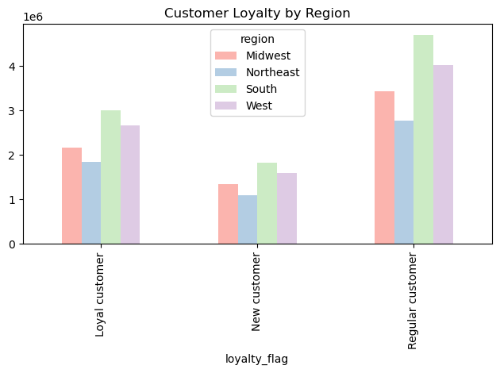
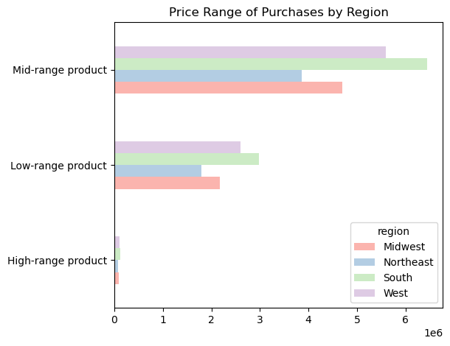
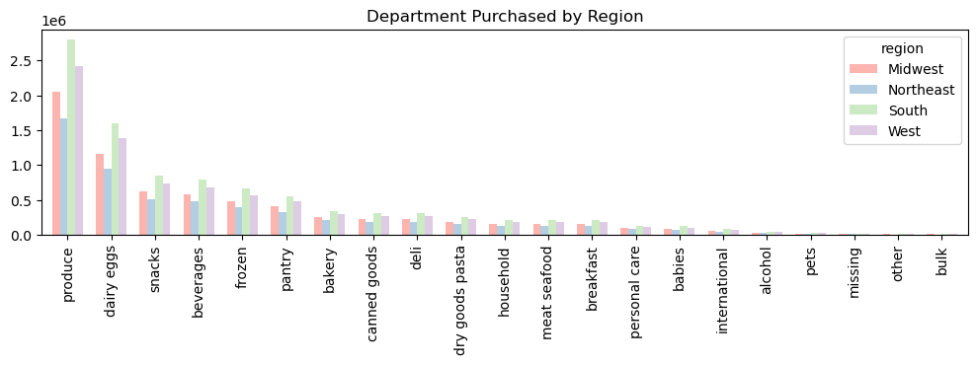
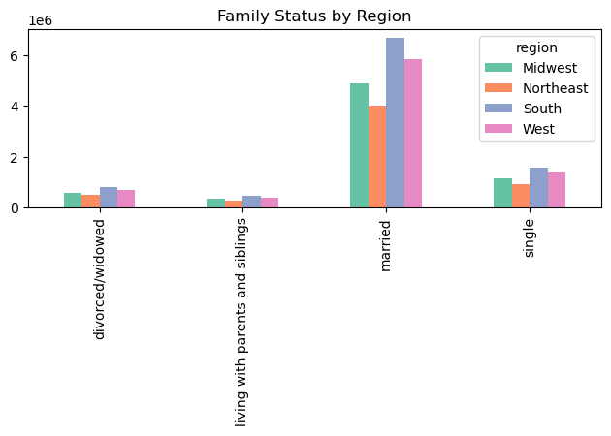
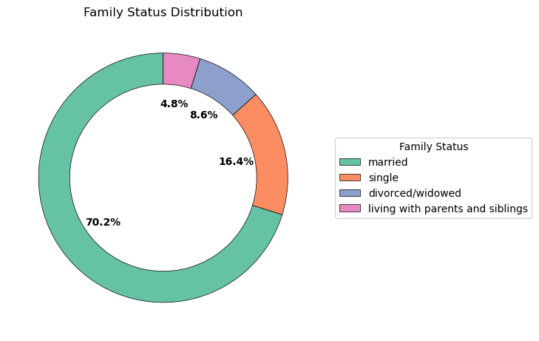
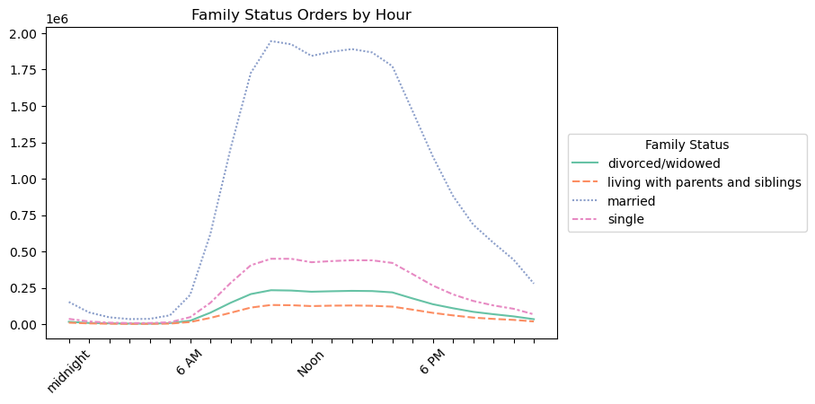
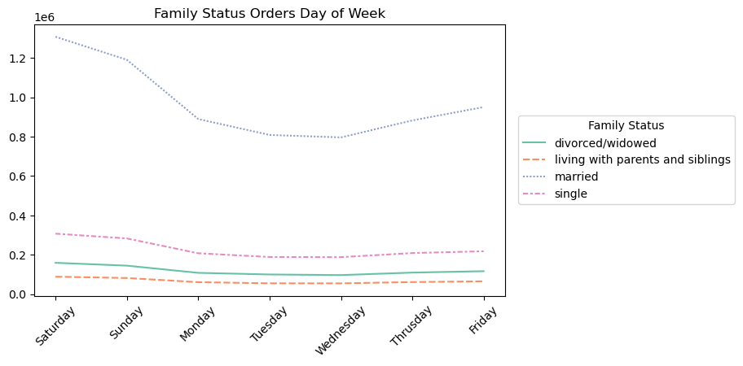
 |  |  |  |  |  |  | Title page
In this tab you should include all the visualtions from Exercises 4.9 and 4.10, alongside the questions from the project brief that they answer. Include any commentary on the relationship between different variables.
Visualisations

Q1. What are the busiest days of the week and hours of the day

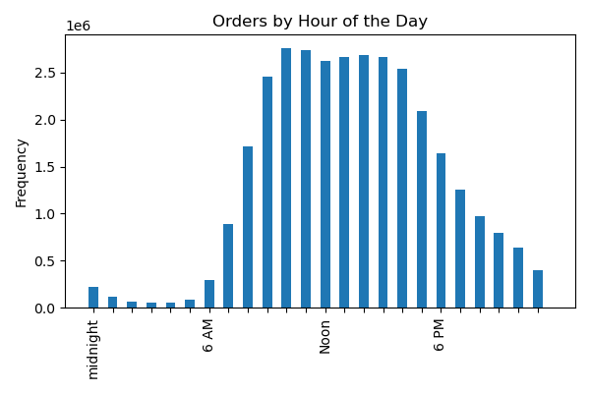
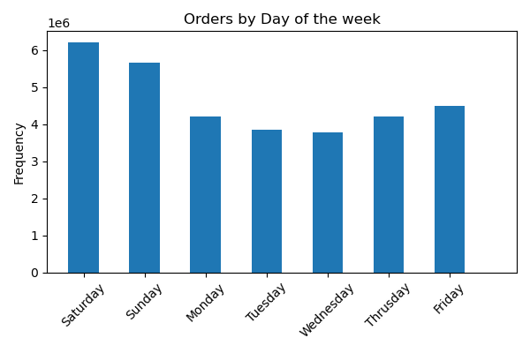

 | Between the hours of 9 AM and 5 PM
Q2. What time of the day do customers spend the most money

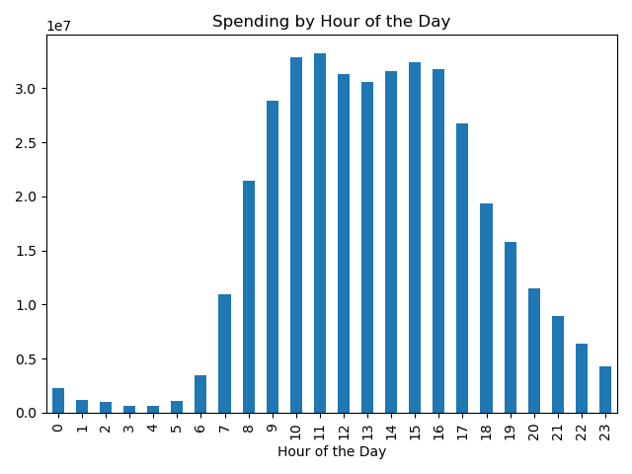

Q3. Can we create a simplier price grouping


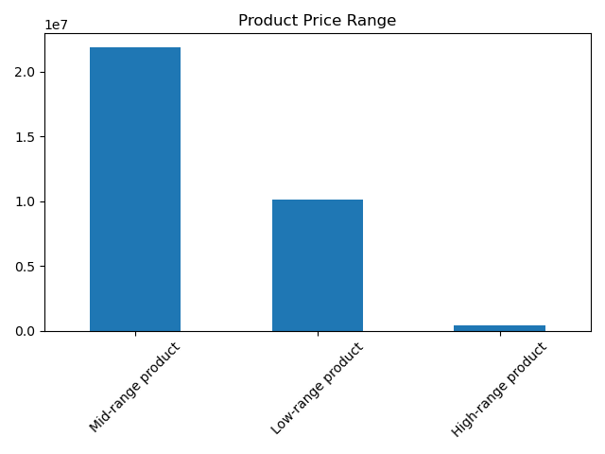

 |  |  | prices
 |  | mean | $7.79
 |  | std | $4.24
 |  | min | $1.00
 |  | 25% | $4.20
 |  | 50% | $7.40
 |  | 75% | $11.30
 |  | max | $25.00

 |  | Proposed price structure
 |  | low-range | $5 and under
 |  | mid-range | >$5 - $15
 |  | high-range | > $15

Q4. What departments have the highest frequency of orders

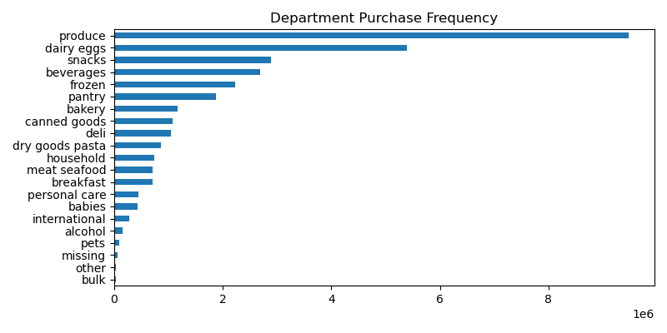

Q5. Marketing's information requests
1. Customer loyalty
 |  |  | Loyalty Definition
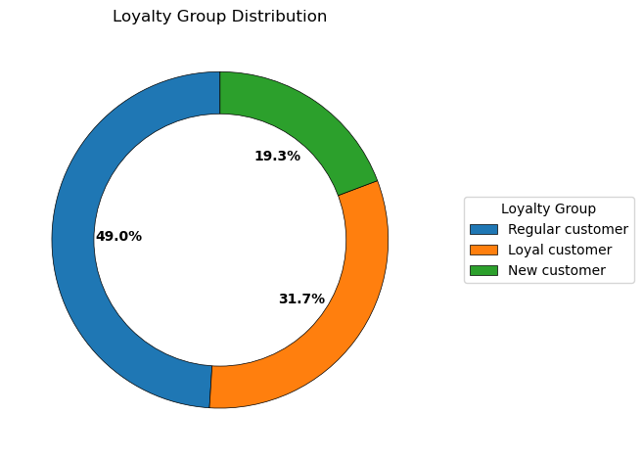
 |  |  | New | < 10 orders
 |  |  | Regular | 11 - 39 orders
 |  |  | Loyal | 40 or more orders

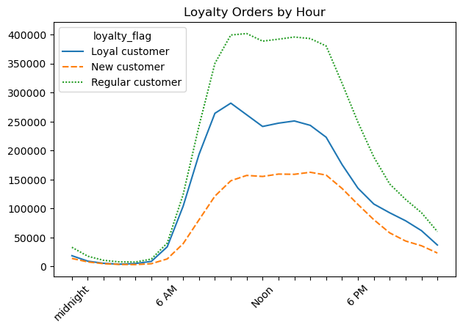
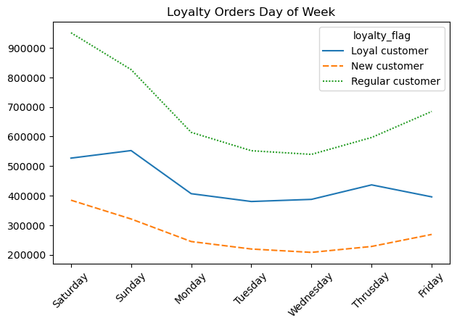

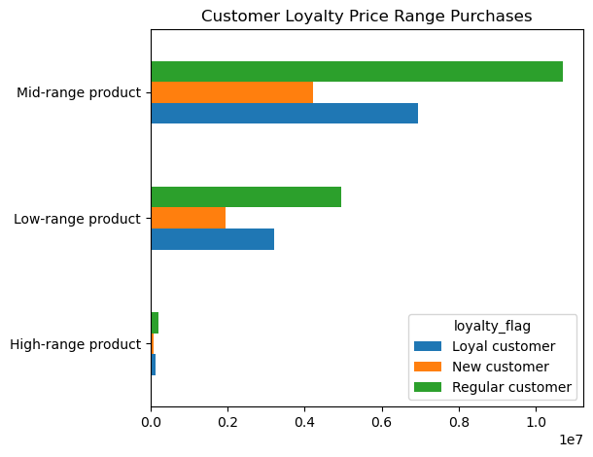
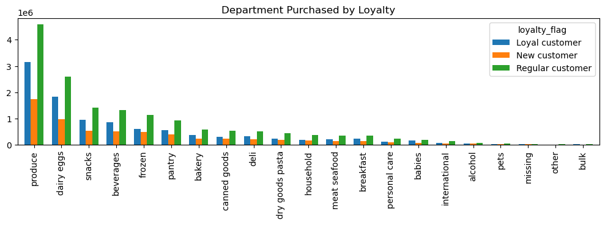

2. customers by region

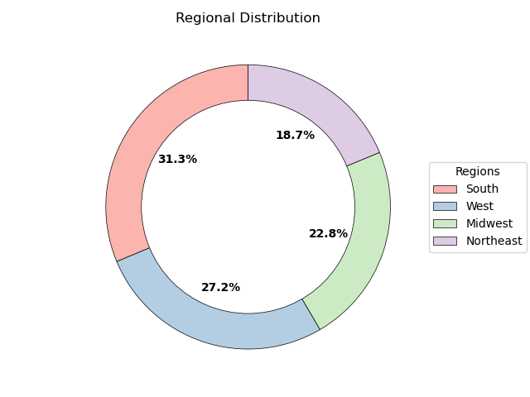
 |  |  | Northeast | Midwest | South | Region 4 (West)
 |  |  | Maine | Wisconsin | Delaware | Idaho
 |  |  | New Hampshire | Michigan | Maryland | Montana
 |  |  | Vermont | Illinois | District of Columbia | Wyoming
 |  |  | Massachusetts | Indiana | Virginia | Nevada
 |  |  | Rhode Island | Ohio | West Virginia | Utah
 |  |  | Connecticut | North Dakota | North Carolina | Colorado
 |  |  | New York | South Dakota | South Carolina | Arizona
 |  |  | Pennsylvania | Nebraska | Georgia | New Mexico
 |  |  | New Jersey | Kansas | Florida | Alaska
 |  |  |  | Minnesota | Kentucky | Washington
 |  |  |  | Iowa | Tennessee | Oregon
 |  |  |  | Missouri | Mississippi | California
 |  |  |  |  | Alabama | Hawaii
 |  |  |  |  | Oklahoma
 |  |  |  |  | Texas
 |  |  |  |  | Arkansas
 |  |  |  |  | Louisiana

7. Recommendations
 |  | Title page

Recommendations

In this tab you should include any recommendations you would made to Instcart in terms of their marketing strategy based on the questions posed in the brief. Every key question has been covered in the Tasks of the Exercises - here you need to add an item - a visualisation or table/crosstable that is showing the answer in the data, acompanied by a comment from you. Please, list the questions below and add the answer underneath.

Question | Answer
Key Question 1: What are the busiest days of the week and time of the day? | The busiest days of the week are Friday through Sunday with peak hours being 9-5 advertising during the off-peak times or offering off peak deals could increase business during the slower times

Key Question 2: What time of the day is the most money spent? | The most money is spent between 9 and 5. This tracks with when the most orders are placed. Following a similar strategy could help drive sales.

Key Question 3: Marketing and sales want to use simpler price range groupings to help direct their efforts. | Most products sales fall in the $5-$15 price range. Focusing on products in these price range could help improve underperforming categories

Key Question 4: Are there certain types of products that are more popular than others? | Produce and dairy/eggs are the 2 most popular product categories. These are closely followed by snacks, beverages, and frozen food.

Key Question 5: What’s the distribution among users in regards to their brand loyalty (i.e., how often do they return to Instacart)? | Regular customers, those who have placed between 10 and 40 orders, make up the larget group of users, 49%.

Key Question 6: Are there differences in ordering habits based on a customer’s loyalty status? | Regular customers purchse more than other loyalty groups. Targeting new customers, those who have placed 10 or fewer orders, with special discounts could encourage them to become regular customers.

Key Question 7: Are there differences in ordering habits based on a customer’s region? | The south has a higher purchase rate than the other regions. Continue to provide products that are popular in that region while updating offerings that are popular in the poorer performing regions.

Key Question 8: Is there a connection between age and family status in terms of ordering habits? | Married customers tend to order more than any other group. Those customers living with parents is the smallest, probably because someone else in the househould is already ordering. Ads targeting single and divorced/widowed, particularly showing the ease of use, could be a good way to expand that demographic.

Key Question 9: What different classifications does the demographic information suggest? Age? Income? Certain types of goods? Family status?

Key Question 10: What differences can you find in ordering habits of different customer profiles? | Regular customers make up the largest group of customers. They tend to spend more money on products and purchase more when they shop

